instructions
Please follow the below instructions to use this template
Step 1 | 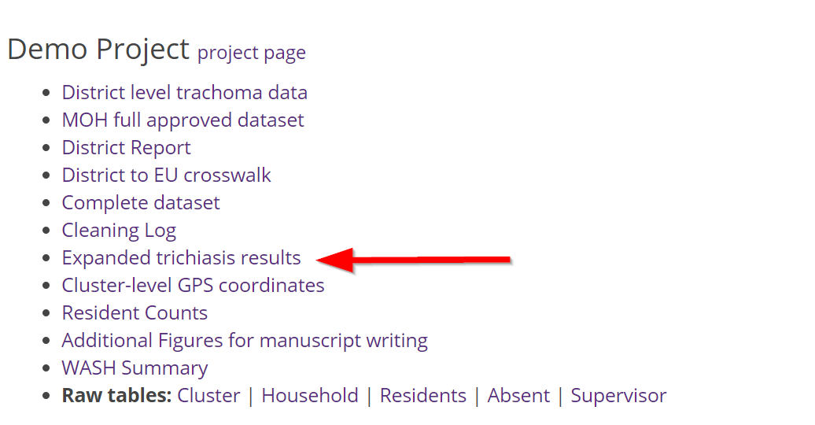 Download the report "Expanded Trichiasis results" from the Tropical Data website (https://www.tropicaldata.org/downloads). Designated Ministry of Health personnel can download these data for approved EUs at any time from the website.
Step 2 | Copy and paste the raw report into "source_data" worksheet, with the top left corner ("admin0_name") in cell A2 (in yellow). IT IS VERY IMPORTANT TO PASTE THE FIRST HEADING IN THE A2 COLUMN!
Step 3 | Please contact the Tropical Data team at support@tropicaldata.org if you desire guidance in interpretation of these results.

