Sheet1
 | K-Factor Calculator
 | Use the tank reading screen to enter yellow highlighted fields | Tank Size | Start % | Total Gals
1&2 | Total tank capacity x starting % | 500 | 20% | 100
3 | Plus Number of Gallons Delivered |  |  | 300 | Sample
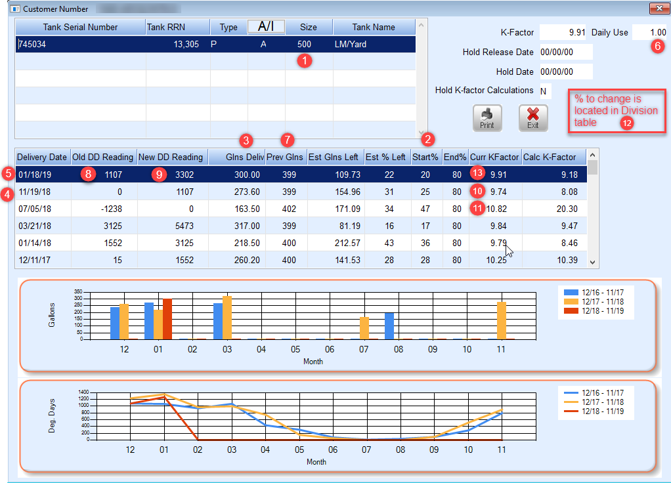
 | Total Gallons with this Delivery |  |  | 400

 |  | Last Date | New Date | # Days
4&5 | # of Days between Deliveries | 11/19/18 | 2019-01-18 | 60
6 | Daily Use |  |  | 1.00
 | Total Daily Use Gallons Used |  |  | 60.00

 |  |  |  | Gallons
7 | Previous Gallons left in tank after last delivery |  |  | 399
 | Minus Gallons left in tank this delivery |  |  | 100
 | Minus Daily Use Gallons Used |  |  | 60.00
 | Calculated Gallons |  |  | 239.00

 |  | Old DD | New DD | # of DD's
8&9 | Old Read\New Read | 1107 | 3302 | 2195
 | Divide by Calculated Gallons |  |  | 239
 | New Calculated K-Factor |  |  | 9.18

 | Newly Calculated K-Factor |  |  | 9.18
10 | Previous K-Factor |  |  | 9.74
11 | Previous K-Factor |  |  | 10.82
 | Total Last 3 K-Factor |  |  | 29.74
 | Divide by 3 - Averaged K-Factor |  |  | 9.91

 |  | Previous | % | Value
12 | Percent to Change X Previous K-Factor |  | 20% | 1.95
 | Previous K-Factor + Percent to Change Value | 9.74 | 1.95 | 11.69
 | Is Calculated K-Factor less than Percent to Change? |  |  | TRUE

13 | If True, the Averaged K-Factor becomes the Current K-Factor
13 | If False, the previous k-factor and % to change becomes the Current K-Factor

